FactSet Screenshot
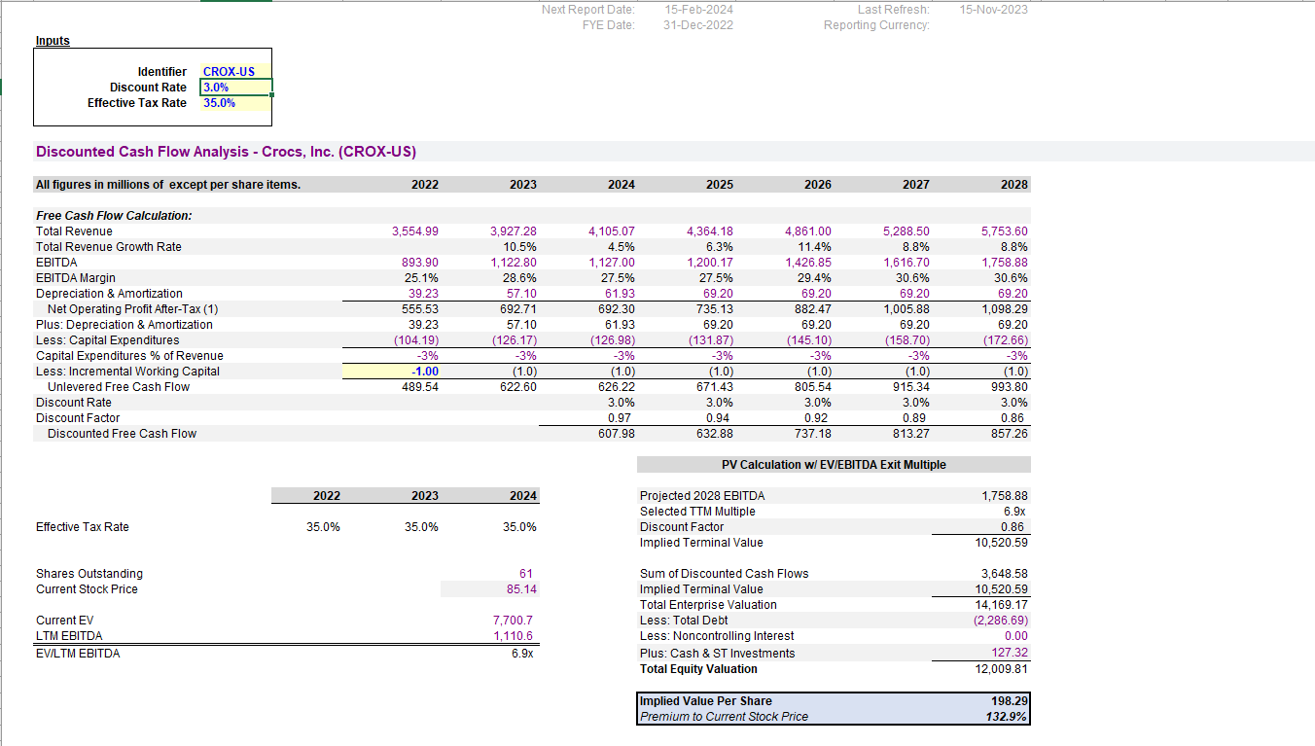
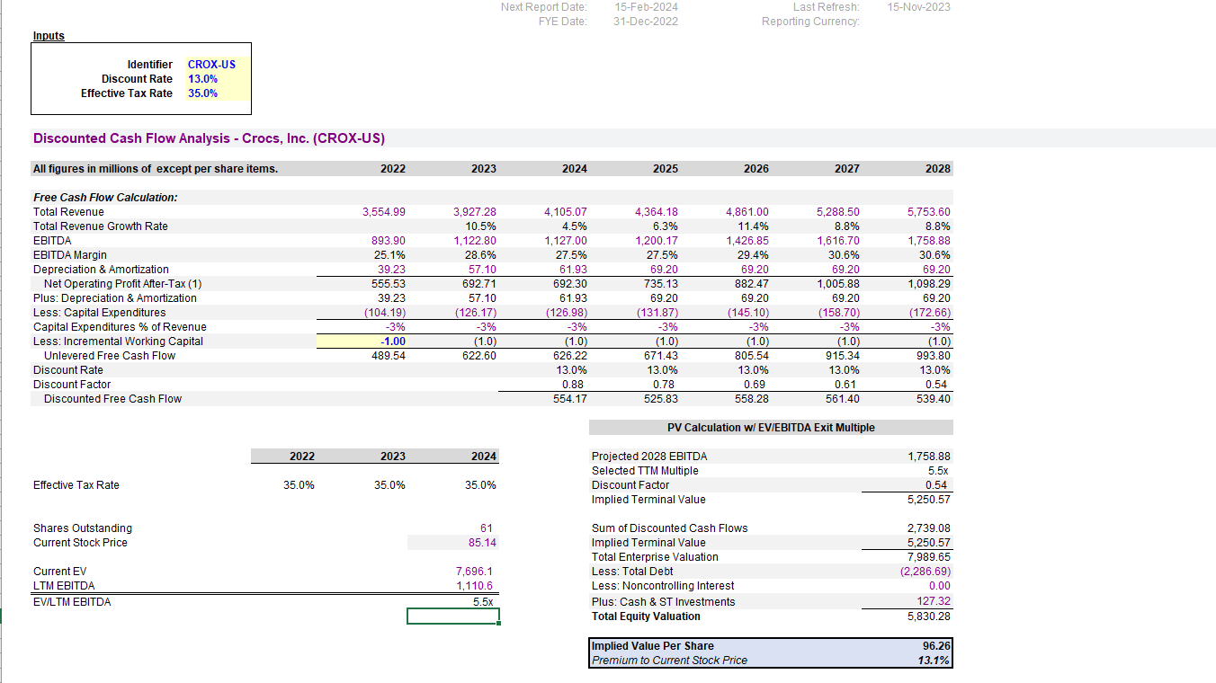
Update to today with FactSet
Screenshot in the DCF template or templates as instructed

